Folha1
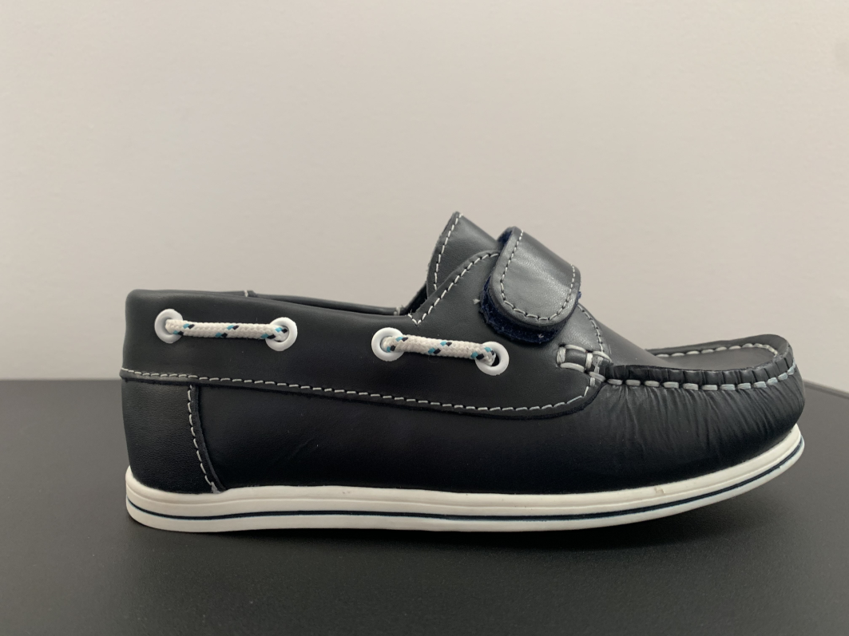
24 | 25 | 26 | 27 | 28 | 29 | TOTAL

99 | 80 | 110 | 100 | 60 | 33 | 482

 | Navy leather
 | Velcro

